Front Page
 | 1 | How to |  |  |  | Control No.
 | 2 | Standard |  |  |  | DOC-ARD-PDS-000
 | 3 | Check sheet
Confidential
 | 4 | Format
 | 5 | Guide line
 | ⑥ | Project Document
 | 7 | Other :

 | Project Design Specification Model : Project Name: HONDA MMCA BSI

Contents |  |  |  | Note / Related Document
1. Circuit Specification
2. Appendix
3. Estimate cost

Revision History
No. | Change Date |  | Cause |  |  | Issued | Approved
N | 2025-09-26 |  | New |  |  | Rattakiat Ch
1 | 2025-08-28 |  | Design PCB |  |  | Rattakiat Ch
2 | 2025-09-26 |  | Update the new PCB shape, Design RH |  |  | Rattakiat Ch
3 | 2025-10-01 |  | Update PCB shape |  |  | Rattakiat Ch
4 | 19/02/2026 |  | Big PCB update, PCB shape and Layout |  |  | Rattakiat Ch
5 | 2026-03-06 |  | PCB Layout Change |  |  | Rattakiat Ch
6 | 2026-03-17 |  | PCB Layout Change |  |  | Rattakiat Ch
7 | 2026-05-27 |  | Change LED P/N and C1,C2 P/N, Update new Gerber with LED layout change |  |  | Rattakiat Ch
8 | 2026-07-07 |  | Edit Capacitor Part Number |  |  | Rattakiat Ch
9 | 2026-08-28 |  | Add LED3 (3 LEDs in series), update schematic and PCB shape LH/RH Rev.09 |  |  | Rattakiat Ch
10
11
12
13
14
15

 |  |  |  |  | Issued | Checked | Approved
 |  |  |  |  | In charge | MG | GM
 |  |  |  |  | Rattakiat | Krissada | Imabeppu

AMPAS R&D Co.,Ltd.

 |  |  |  |  |  | Effective 07/01/2024
 |  |  | Confidential : Property of AMPAS R&D Co.,Ltd. - Duplication prohibited |  |  |  |  | Page.1

CIRCUIT SPECIFICATION
CIRCUIT SPECIFICATION |  |  |  | PRODUCT NAME | HONDA MMCA BSI | REVISION |  | Rev.09 | APPROVED BY | CHECKED BY | ISSUED BY
 |  |  |  |  |  | ISSUED BY |  | AMPAS R&D | K.Imabeppu | Krissada C. | Rattakiat Ch.
 |  |  |  |  |  | ISSUE DATE |  | 2026-08-28
Contents in this sheet is under consideration. Circuit spec have possibility to change. |  |  |  |  |  | NAME |  | CIRCUIT ASSY
 |  |  |  |  |  | PURPOSE |  | ESTIMATION

1. LOAD SPEC |  |  | 5. PARTS LIST
ITEMS |  | CONTENTS | REFERENCE NAME | QTY | NAME | LEAD TYPE | MANUFACTURER | MODEL No. | RATED VALUE | REMARKS
STYLE |  | - | C_BUS1, C9, C10 | 3 | CAPACITOR | SMD | TDK | C1005X5R1E224M050BC | 220nF/25V | 0402; X5R; ±20%; RoHS
MANUFACTURER |  | - | C_OUT1 - C_OUT5 | 5 | CAPACITOR | SMD | MURATA | GRT31CR61E226KE01L | 22µF/25V | 1206 (3216); X5R; ±10%
PART NUMBER |  | - | C1, C13 | 2 | CAPACITOR | SMD | KEMET | EDH476M050S9HAA | 47µF/50V | Aluminum electrolytic; ±20%
TOTAL QUANTITY |  | - | C2, C4, C6 | 3 | CAPACITOR | SMD | TDK | CGA5L1X7R1H106K160AC | 10µF/50V | 1206; X7R; ±10%; +125°C; Auto
FUNCTION |  | - | C3, C5, C7, C8 | 4 | CAPACITOR | SMD | TDK | CGA3E2X7R1H104K080AA | 100nF/50V | 0603; X7R; ±10%; +125°C; Auto
BIN OF LED | BRIGHTNESS | - | C11 | 1 | CAPACITOR | SMD | MURATA | GRT155R61E225KE13D | 2.2µF/25V | 0402; X5R; ±10%; RoHS
 | WAVELENGTH | - | C12 | 1 | CAPACITOR | SMD | TDK | CGA2B3X7R1E104K050BB | 100nF/25V | 0402; X7R; ±10%; +125°C; Auto
 | FORWARD VOLTAGE | - | C14 | 1 | CAPACITOR | SMD | TDK | CGA3E2X5R1A105K080AA | 1µF/10V | 0603; X5R; ±10%; +85°C; Auto
NOTE |  | - | J2 | 1 | CONNECTOR | SMD | MOLEX | 219320-0001 | - | USB Type-C; 16 circuits; vertical
 |  |  | L_EMI1 | 1 | INDUCTOR | SMD | COILCRAFT | XAL4020-102MEC | 1µH/9.6A | ±20%; DCR 14.60mΩ; AEC-Q200
ITEMS |  | CONTENTS | L1 | 1 | INDUCTOR | SMD | COILCRAFT | XAL6060-103MEB | 10µH | Shielded; ±20%; 29.82mΩ; AEC-Q200
STYLE |  | - | NTC1 | 1 | THERMISTOR NTC | SMD | MURATA | NCU18WF104F6SRB | 100kΩ | 0603; ±1%; NTC
MANUFACTURER |  | - | R_BUS1 | 1 | RESISTOR | SMD | KOA SPEER | RK73B2ATTD101J | 100Ω | Thick Film Resistors - SMD 100ohm 5%
PART NUMBER |  | - | R_NTC1 | 1 | RESISTOR | SMD | KOA SPEER | RK73H1ETTPD1002F | 10kΩ/100mW | 0402
TOTAL QUANTITY |  | - | R_SENSE1 | 1 | RESISTOR | SMD | STACKPOLE | CSR1206FK15L0 | 15mΩ/0.5W | 1206; ±1%; current sense
FUNCTION |  | - | R_SET1 | 1 | RESISTOR | SMD | VISHAY | CRCW0402301RFKED | 301Ω/63mW | 0402
BIN OF LED | BRIGHTNESS | - | R1 | 1 | RESISTOR | SMD | NOT SPECIFIED | NOT SPECIFIED | 100kΩ/0.1W | 0603 (1608); ±1%; MPN not specified
 | WAVELENGTH | - | R2, R6 | 2 | RESISTOR | SMD | PANASONIC | ERJ2GE0R00X | 0Ω/100mW | 0402 (1005); -55 to +155°C; RoHS
 | FORWARD VOLTAGE | - | R3 | 1 | RESISTOR | SMD | YAGEO | AC0402FR-7W20KL | 20kΩ/125mW | 0402
NOTE |  | - | R4 | 1 | RESISTOR | SMD | YAGEO | RC0402FR-075KL | 5kΩ/62.5mW | 0402
 |  |  | R5 | 1 | RESISTOR | SMD | PANASONIC | ERJ2RKF4992X | 49.9kΩ/100mW | 0402
ITEMS |  | CONTENTS | R7 | 1 | RESISTOR | SMD | VISHAY | CRCW040211K8FKEE | 11.8kΩ/63mW | 0402
STYLE |  | - | TVS1 | 1 | TVS DIODE | SMD | BOURNS | SMBJ18CA-Q | - | Rating not specified in source
MANUFACTURER |  | - | U1 | 1 | MOSFET | SMD | VISHAY | SQ4917CEY-T1_GE3 | 60V/8A | SOIC-8; dual P-channel; 48mΩ
PART NUMBER |  | - | U2 | 1 | USB INTERFACE IC | SMD | TEXAS INSTRUMENTS | TPS25833QWRHBRQ1 | 5V/3.5A | VQFN-32; VIN 36V; Type-C/BC1.2
TOTAL QUANTITY |  | - | ZD1 | 1 | ZENER DIODE | SMD | DIODES INC. | BZT52C12Q-7-F | 12V/370mW | SOD-123; ±5.42%
FUNCTION |  | -
BIN OF LED | BRIGHTNESS | -
 | WAVELENGTH | -
 | FORWARD VOLTAGE | -
NOTE |  | -

2. PCB SPEC
ITEMS |  | CONTENTS
COPPER FOIL | LAYER | DOUBLE-SIDED
 | THICKNESS | 35µm
MANUFACTURER |  | ANY (for automotive use)
MATERIAL |  | FR-4, Tg 130-150°C
BOARD THICKNESS |  | 1.6 mm | 6.COMBINATION OF RESISTANCE VALUE |  |  |  |  | 7.FUNCTION TEST SPEC
PLATING THICKNESS OF THROUGH HOLE |  | > 15µm
COPPER FOIL SURFACE TREATMENT |  | OSP or HASL (lead-free) | Resistance Value should be changed depending on the combination of |  |  |  |  | To check the total current of circuit assy after mounting and soldering all the parts.
SOLDER RESIST | LAYER | DOUBLE-SIDED | Brightness Group and Forward Voltage Group of LED. |  |  |  |  | 1. Input the voltage to Circuit assy by power supply
 | COLOR | GREEN | EMS supplier needs to manage the LED BIN and Resistance value. |  |  |  |  | 2. Measure the total current (by Digital multimeter , Ampere meter etc.)
SILK SCREEN | LAYER | DOUBLE-SIDED |  |  |  |  |  | 3. Voltage and target current range are specified in Drawing
 | COLOR | WHITE |  |  |  |  |  | *Input Voltage : 12 V
APPLICABLE STANDARD |  | IPC-A-600, CLASS 2 |  |  |  |  |  | *Target of output current : 3 A max
GERBER FILE NAME |  |  |  |  |  |  |  | *Output Voltage : 5 V

 |  |  |  |  |  |  |  | (Note)
 |  |  |  |  |  |  |  | * No need to measure automatically
3. SOLDER SPEC |  |  |  |  |  |  |  | * No need to record the result of current
ITEMS |  | CONTENTS
Solder | MATERIAL | Sn-3.0Ag-0.5Cu (Pb Free)
 | MANUFACTURER | Any (used for Automotive)

4. PART MOUNTING SPEC
ITEMS |  | CONTENTS
AI PART MOUNTING SIDE |  | TOP-SIDE
PART POSITION (AI) | LED | TOP-SIDE
 | ELECTRICAL PART | TOP-SIDE
 | CONNECTOR | N/A
PART POSITION (MI) | TERMINAL | N/A
 | WIRE HARNESS | BOTTOM-SIDE
 | ELECTRICAL PART | N/A
 | CONNECTOR | N/A
APPLICABLE STANDARD |  | IPC-A-610 , CLASS 3

8. PCB SHAPE & SIZE |  |  |  |  |  |  |  | 9. METAL PART , MANUAL SOLDERING & PROCESSING
 |  |  |  |  |  |  | unit : [mm] | 1. Metal part

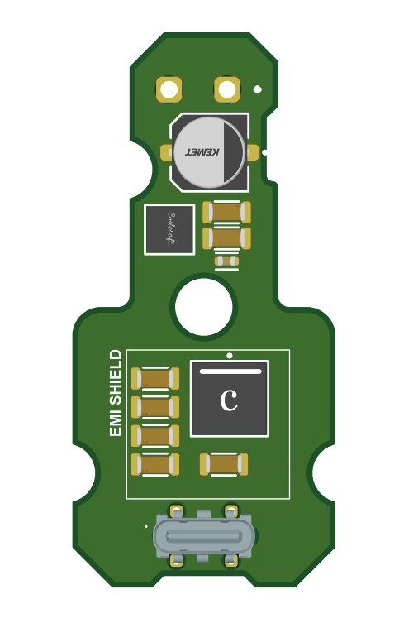
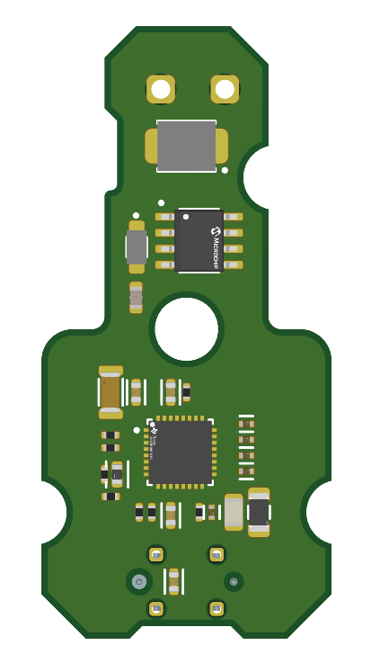

39.176
 |  |  |  |  |  |  |  | 2. Manual Insert
 |  |  |  |  |  |  |  | Wire harness should be inserted to PCB 2 points on BOTTOM SIDE

18.885
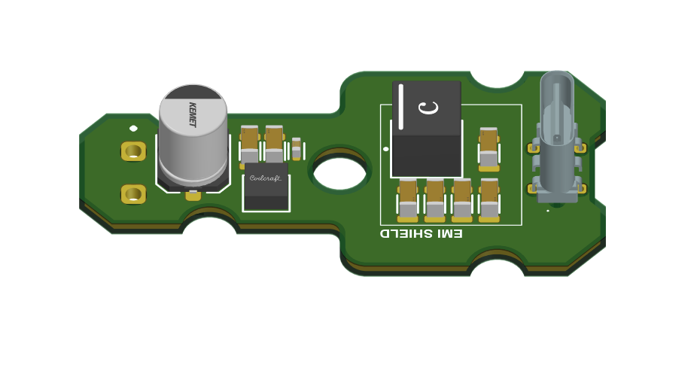
 |  |  |  |  |  |  |  | 3. Manual Soldering
 |  |  |  |  |  |  |  | The quotation shall include manual soldering of the USB and power input connectors at two locations on the TOP SIDE of the PCB.

Input Connector Soldering Location
USB Connector Soldering Location

 |  |  |  |  |  |  |  | 4. Circuit Assy Separating process
 |  |  |  |  |  |  |  | Use Cutting Machine (Not allowed separating by hand)

 |  |  |  |  |  |  |  | 5. PCB Outline processing
 |  |  |  |  |  |  |  | NC , Routing (Not allowed Press by mould)
TOP VIEW
BOTTOM VIEW
 |  |  |  |  |  |  |  | 6. Conformal coating
 |  |  |  |  |  |  |  | N/A

10. SCHEMATIC |  |  |  |  |  |  |  | 11.CONDITIONS & NOTES

 |  |  |  |  |  |  |  | 1. Production volume , Running year will be informed from AMPAS Sales or Purchasing

 |  |  |  |  |  |  |  | 2. Quotation is excluded the VAT 7%

 |  |  |  |  |  |  |  | 3. If possible, estimate the tooling cost for mass production as below
 |  |  |  |  |  |  |  | - PCB Set up charge
 |  |  |  |  |  |  |  | - PCB E-Test Fixture
 |  |  |  |  |  |  |  | - Stencil
 |  |  |  |  |  |  |  | - ICT Fixture
 |  |  |  |  |  |  |  | - FCT Fixture
 |  |  |  |  |  |  |  | - Jig for PCB Cutting
 |  |  |  |  |  |  |  | - Jig for harness Soldering

 |  |  |  |  |  |  |  | 4. This is Non BOI Project

 |  |  |  |  |  |  |  | 5. This project have program development cost

 |  |  |  |  |  |  |  | 6. This project includes symmetric PCB shapes for LH and RH sides. but Part list is common

 |  |  | Confidential : Property of AMPAS R&D Co.,Ltd. - Duplication prohibited |  |  |  |  |  |  |  | P.1/1

Appendix
APPENDIX |  | PRODUCT NAME | HONDA MMCA BSI | REVISION | Rev.09 | APPROVED BY | CHECKED BY | ISSUED BY
 |  |  |  | ISSUED BY | AMPAS R&D | K.Imabeppu | Krissada C. | Rattakiat Ch.
 |  |  |  | ISSUE DATE | 2026-08-28
Contents in this sheet is under consideration. Circuit spec have possibility to change. |  |  |  | NAME | CIRCUIT ASSY
 |  |  |  | PURPOSE | ESTIMATION

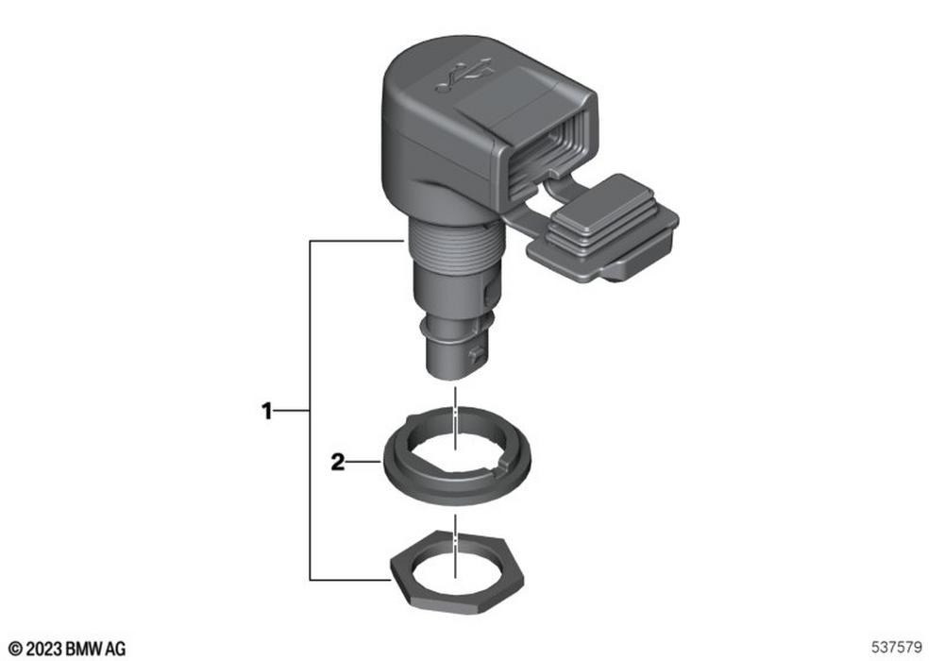
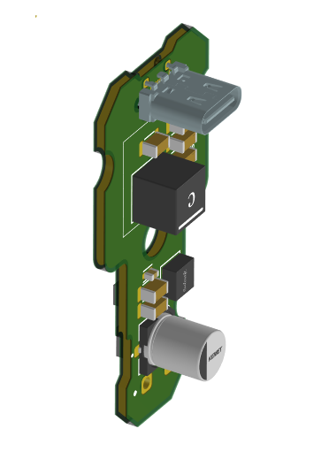

 | Confidential : Property of AMPAS R&D Co.,Ltd. - Duplication prohibited |  |  |  |  |  |  | P.1/1

